Order List
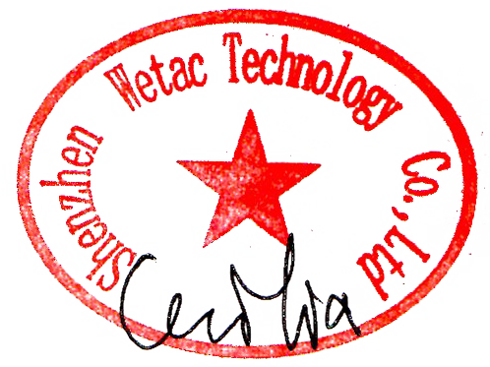
SHENZHEN WETAC TECHNOLOGY CO.,LTD
ROOM 106, BLDG 22, XueHong industrial park, , Futian District, 518000 Shenzhen China
Tel: 86-13530046228 Email: atlastrade@163.com / wetac@188.com
 |  | Packing List
TO: | Chelyabinsk Compressor Plant LLC |  |  |  | P/L No.: | PL250618
 | 14km of the highway Chelyabinsk-Novosibirsk, Krasnoarmeisky raion 456671, Chelyabinskaya oblast, Russia |  |  |  | Date: | 18-Jun-25

Item | Model no | Description | QTY | CTN | G.W. (KGS) | N.W.(KGS) | CBM
1 |  | desiccant | 6 | 6 | 6138 | 6000 | 12.53
2 |  | desiccant | 1 | 1 | 835 | 820 | 1.73
3 |  | TOTAL | 7 | 7 | 6973 | 6820 | 14.26

